Start Here
 |  | How to Use This Template:
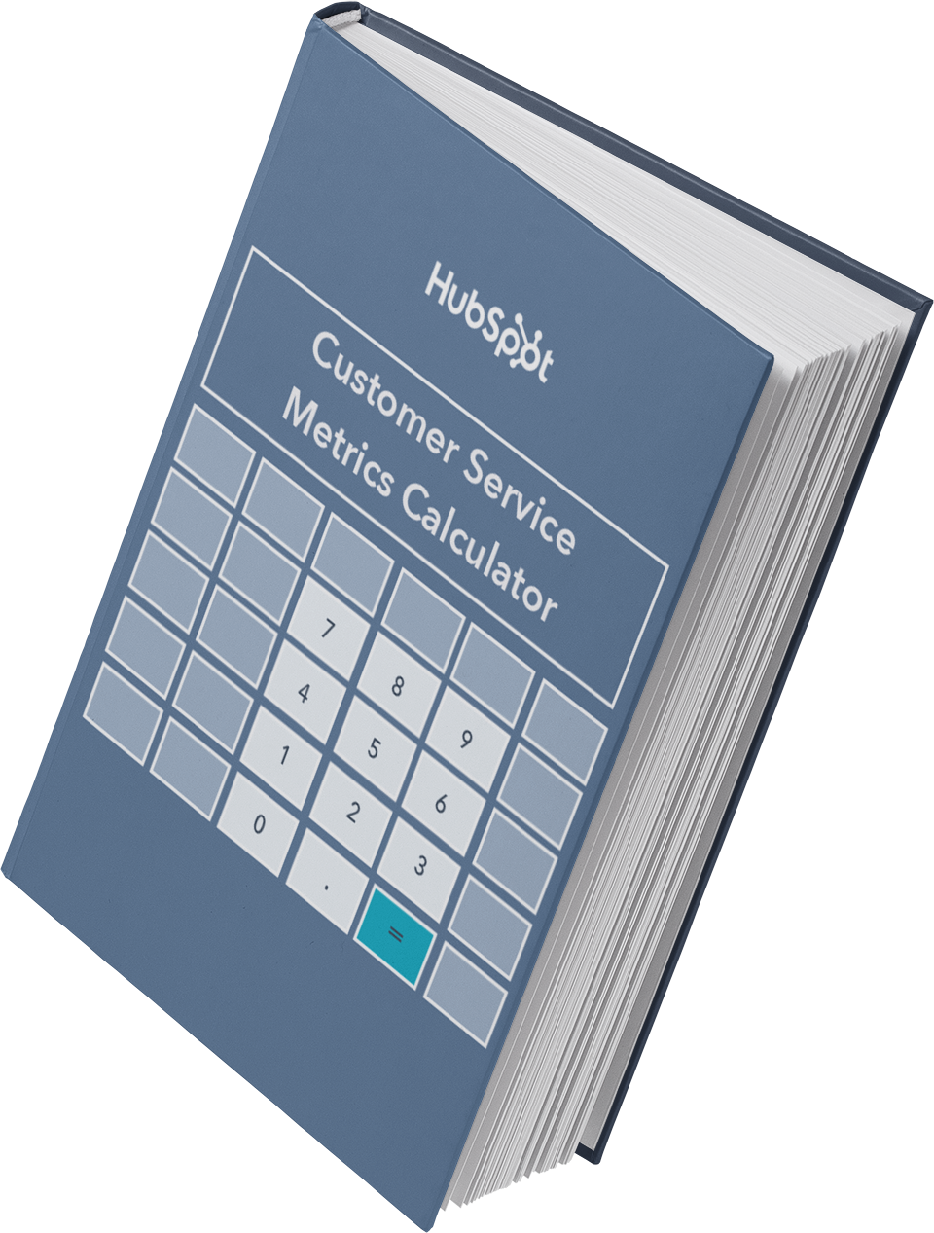

 |  | This worksheet contains pre-made calculator templates for you to determine your key customer service, support, and satisfaction metrics. Once you go through and complete all the tabs, make sure you revisit this workbook every week, month, or quarter to see how your business is improving in its customer service efforts.

The Customer Service

Metrics Calculator

Discover Service Software That Grows With You

Start with free tools and upgrade as you grow or hit the ground with one of our premium editions.

 | Get Started

